Car
EPA 2024 | Car
 | Name | SuppliedEmissionsFactorUnit | FuelType | ParentEmissionFactor | Co2EmissionFactor | Ch4EmissionFactor | N2oEmissionFactor | Co2EmissionFactorUnit | Ch4EmissionFactorUnit | N2oEmissionFactorUnit | CalorificValue | CalorificValueUnit
 | Autogas/LPG |  | AutogasLPG |  | 5.68 | 0.133 | 0.004 | KG_PER_US_GAL | G_PER_MILES | G_PER_MILES |  | KWH_PER_L
 | Biodiesel |  | Biodiesel |  | 9.45 | 0.036 | 0.001 | KG_PER_US_GAL | G_PER_MILES | G_PER_MILES |  | KWH_PER_L
 | Compressed Natural Gas (CNG) |  | CompressedNaturalGasCNG |  | 6.72 | 0.133 | 0.004 | KG_PER_US_GAL | G_PER_MILES | G_PER_MILES |  | KWH_PER_L
 | Diesel |  | Diesel |  | 10.21 | 0.0302 | 0.0192 | KG_PER_US_GAL | G_PER_MILES | G_PER_MILES | 0.138 | MMBTU_PER_GAL
 | Ethanol |  | Ethanol |  | 5.75 | 0.013 | 0.004 | KG_PER_US_GAL | G_PER_MILES | G_PER_MILES |  | KWH_PER_L

Source: | https://www.epa.gov/system/files/documents/2024-02/ghg-emission-factors-hub-2024.pdf
 | Table 4 Mobile Combustion CH4 and N2O for On-Road Diesel and Alternative Fuel Vehicles
 |  |  | CH4 |  | N2O |  |  |  |  | CH4 |  | N2O
 |  |  | g/mile |  | g/mile |  |  | Diesel |  | g/mile |  | g/mile
 | Autogas/LPG | Light Car | 0.133 |  | 0.004 |  |  | Passenger | 2007-2021 | 0.0302 |  | 0.0192

 |  |  |  |  |  |  |  | Ethanol |  | g/mile |  | g/mile
 | Biodiesel |  | g/mile |  | g/mile |  |  |  | Light Car | 0.013 |  | 0.004
 |  | Light Car | 0.036 |  | 0.001

 | Compressed Natural Gas (CNG) |  | g/mile |  | g/mile
 |  | Light Car | 0.133 |  | 0.004

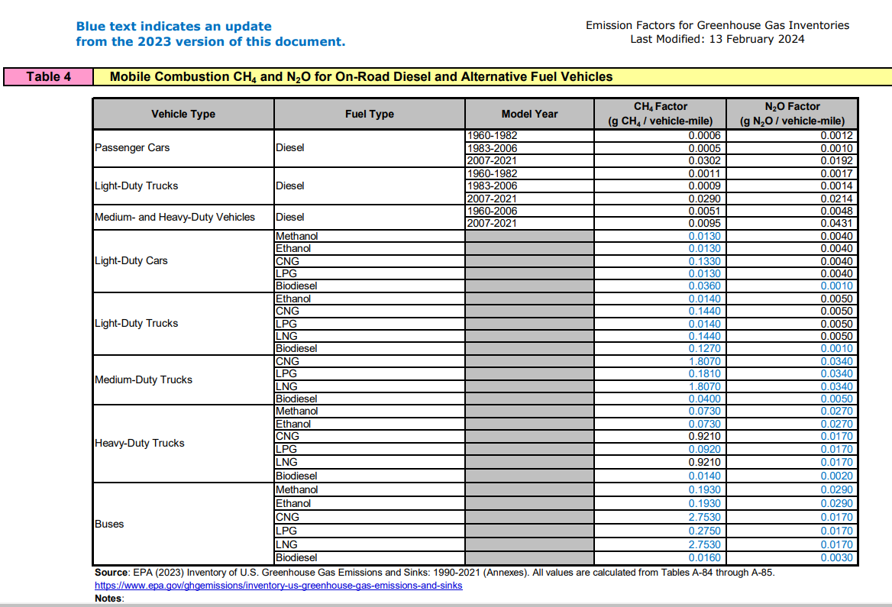

CO2 values taken from Table 2 Mobile Combustion CO2

Heavy Duty Truck
EPA 2024 | Heavy Duty Truck
 | Name | SuppliedEmissionsFactorUnit | FuelType | ParentEmissionFactor | Co2EmissionFactor | Ch4EmissionFactor | N2oEmissionFactor | Co2EmissionFactorUnit | Ch4EmissionFactorUnit | N2oEmissionFactorUnit | CalorificValue | CalorificValueUnit
 | Autogas/LPG |  | AutogasLPG |  | 5.68 | 0.092 | 0.017 | KG_PER_US_GAL | G_PER_MILES | G_PER_MILES |  | KWH_PER_L
 | Biodiesel |  | Biodiesel |  | 9.45 | 0.014 | 0.002 | KG_PER_US_GAL | G_PER_MILES | G_PER_MILES |  | KWH_PER_L
 | Compressed Natural Gas (CNG) |  | CompressedNaturalGasCNG |  | 6.72 | 0.921 | 0.017 | KG_PER_US_GAL | G_PER_MILES | G_PER_MILES |  | KWH_PER_L
 | Diesel |  | Diesel |  | 10.21 | 0.0095 | 0.0431 | KG_PER_US_GAL | G_PER_MILES | G_PER_MILES | 0.138 | MMBTU_PER_GAL
 | Ethanol |  | Ethanol |  | 5.75 | 0.073 | 0.027 | KG_PER_US_GAL | G_PER_MILES | G_PER_MILES |  | KWH_PER_L

Source: | https://www.epa.gov/system/files/documents/2024-02/ghg-emission-factors-hub-2024.pdf
 | Table 4 Mobile Combustion CH4 and N2O for On-Road Diesel and Alternative Fuel Vehicles
 |  |  | CH4 |  | N2O |  |  |  |  | CH4 |  | N2O
 |  |  | g/mile |  | g/mile |  |  | Diesel |  | g/mile |  | g/mile
 | Autogas/LPG

 |  |  |  |  |  |  |  | Heavy | 2007-2020 | 0.0095 |  | 0.0431
 |  | Heavy Truck | 0.092 |  | 0.017

 |  |  |  |  |  |  |  | Ethanol |  | g/mile |  | g/mile
 | Biodiesel |  | g/mile |  | g/mile

 |  |  |  |  |  |  |  |  | Heavy Truck | 0.073 |  | 0.027

 |  | Heavy Truck | 0.014 |  | 0.002

 | Compressed Natural Gas (CNG) |  | g/mile |  | g/mile

 |  | Heavy Truck | 0.921 |  | 0.017

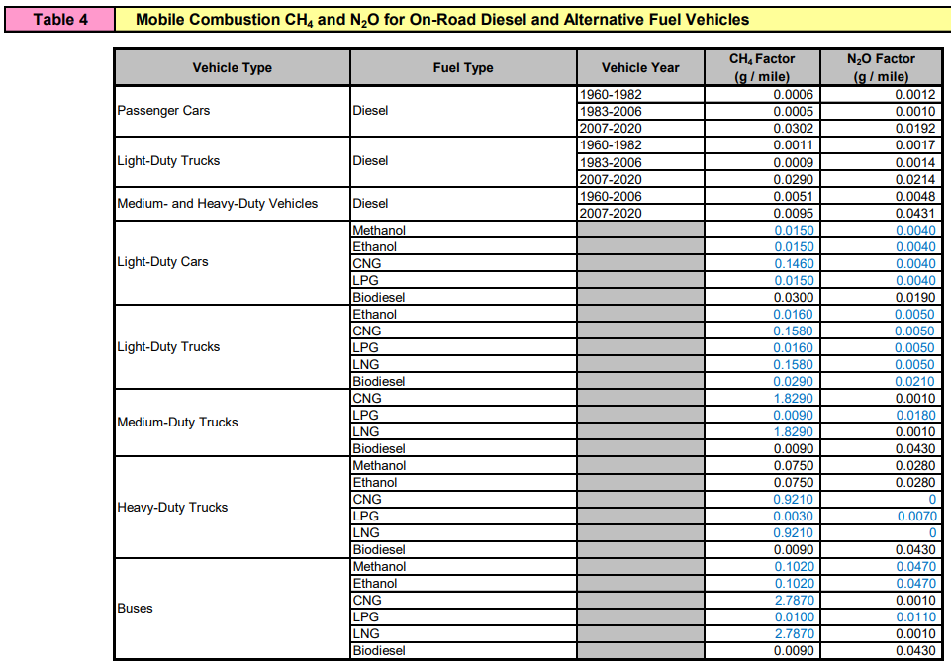

CO2 values taken from Table 2 Mobile Combustion CO2
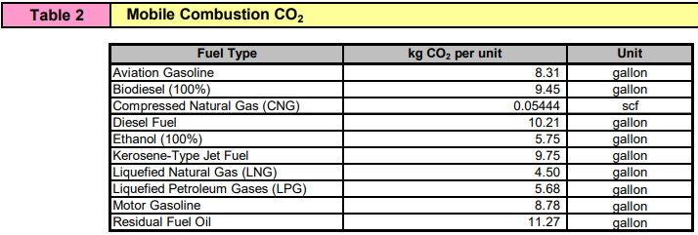

Gasoline
EPA 2024 | Gasonline
Source: | https://www.epa.gov/system/files/documents/2024-02/ghg-emission-factors-hub-2024.pdf
 | Table 3 Mobile Combustion CH4 and N2O for On-Road Gasoline Vehicles
 |  |  | CH4 | N2O
 | Gasonline |  | g/mile | g/mile

 | Passenger | 2010 | 0.007112 | 0.00458
 |  | 2011 | 0.007116 | 0.00459
 |  | 2012 | 0.007118 | 0.004595
 |  | 2013 | 0.00712 | 0.0046
 |  | 2014 | 0.007099 | 0.004579
 |  | 2015 | 0.006837 | 0.004239
 |  | 2016 | 0.00649 | 0.003781
 |  | 2017 | 0.005365 | 0.00179
 |  | 2018 | 0.00524 | 0.001585
 |  | 2019 | 0.005105 | 0.001452
 |  | 2020 | 0.005 | 0.00135
 |  | 2021 | 0.00505 | 0.001412

 | Light Truck | 2010 | 0.00952 | 0.00346
 |  | 2011 | 0.009568 | 0.003364
 |  | 2012 | 0.009616 | 0.003268
 |  | 2013 | 0.009504 | 0.003492
 |  | 2014 | 0.009549 | 0.003319
 |  | 2015 | 0.009438 | 0.003126
 |  | 2016 | 0.009104 | 0.002906
 |  | 2017 | 0.008392 | 0.001775
 |  | 2018 | 0.008118 | 0.001515
 |  | 2019 | 0.007988 | 0.001335
 |  | 2020 | 0.00785 | 0.0012
 |  | 2021 | 0.00785 | 0.0012

 | Heavy Truck | 2010 | 0.031956 | 0.0015
 |  | 2011 | 0.030358 | 0.0015
 |  | 2012 | 0.031298 | 0.0015
 |  | 2013 | 0.031298 | 0.0015
 |  | 2014 | 0.031486 | 0.0015
 |  | 2015 | 0.033184 | 0.002105
 |  | 2016 | 0.032073 | 0.006138
 |  | 2017 | 0.032873 | 0.008379
 |  | 2018 | 0.032572 | 0.008231
 |  | 2019 | 0.03295 | 0.00908
 |  | 2020 | 0.03315 | 0.00995
 |  | 2021 | 0.03315 | 0.00995

 | Buses | 2010 | 0.031956 | 0.0015
 |  | 2011 | 0.030358 | 0.0015
 |  | 2012 | 0.031298 | 0.0015
 |  | 2013 | 0.031298 | 0.0015
 |  | 2014 | 0.031486 | 0.0015
 |  | 2015 | 0.033184 | 0.002105
 |  | 2016 | 0.032073 | 0.006138
 |  | 2017 | 0.032873 | 0.008379
 |  | 2018 | 0.032572 | 0.008231
 |  | 2019 | 0.03295 | 0.00908
 |  | 2020 | 0.03315 | 0.00995
 |  | 2021 | 0.03315 | 0.00995

